Blad1
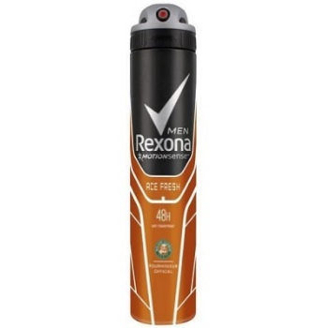
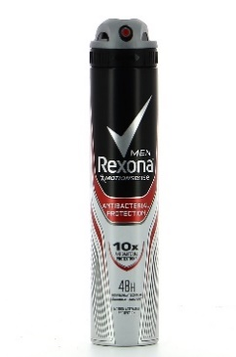
Offer 200408 Rexona 200 ml

Rexona 200 ml woman | description | eancode | case | cases pallet | pcs pallet | available pallets | total pcs | text | Euro/pc
Rexona 200 ml woman | musc | 8711600409880 | 6 | 384 | 2304 | 4 | 9216 | FR | 1.07
Rexona 200 ml woman | aqua | 8711600410367 | 6 | 384 | 2304 | 1 | 2304 | FR
Rexona 200 ml woman | protection + active original | 8710447301005 | 6 | 384 | 2304 | 4 | 9216 | FR
Rexona 200 ml woman | protection active invisible | 8710447171325 | 6 | 384 | 2304 | 4 | 9216 | PL CZ HU SK PT FR
Rexona 200 ml woman | Invisible Black&White | 8710847904868 | 6 | 384 | 2304 | 2 | 4608 | FR
Rexona 200 ml woman | shower fresh | 8714100019733 | 6 | 384 | 2304 | 0 | 0
 |  |  |  |  |  |  | 0
Rexona 200 ml men | cobalt | 3014230010262 | 6 | 384 | 2304 | 0 | 0 | PL CZ HU SK PT FR
Rexona 200 ml men | ace fresh rol garos | 8710908787676 | 6 | 384 | 2304 | 1 | 2304
Rexona 200 ml men | antibacterial odur protection | 8714100019825 | 6 | 384 | 2304 | 3 | 6912 | Uk FR
Rexona 200 ml men | extra cool | 8714100019801 | 6 | 384 | 2304 | 1 | 2304
 |  |  |  |  |  | 20 | 0 |  |  | incoterms
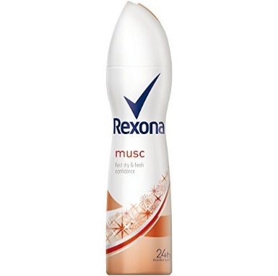
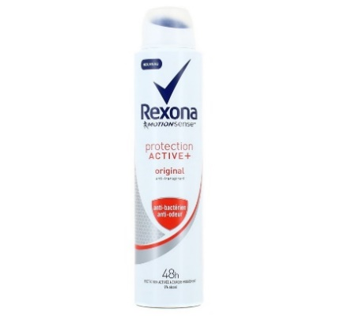
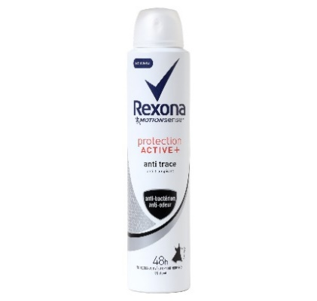
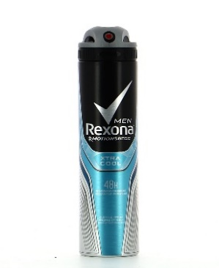
 |  |  |  |  |  |  | 46080 | total 6/packs |  | C&F Jebel Ali

